Executive Summary 2020 vs 2019
Montly Totals Passengers 2019-2020

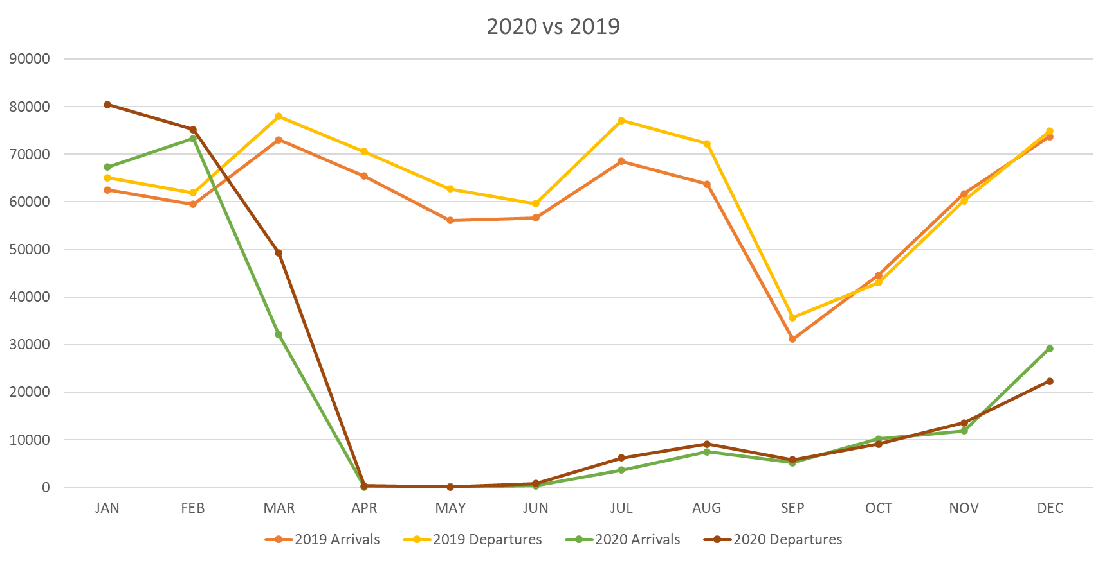
 | 2019
 | PAX | January | February | March | April | May | June | July | August | September | October | November | December
 | Departure | 65,110 | 61,946 | 77,964 | 70,568 | 62,754 | 59,595 | 77,115 | 72,252 | 35,673 | 43,058 | 60,240 | 74,842
 | Arrivals | 62,542 | 59,465 | 73,057 | 65,391 | 56,090 | 56,690 | 68,499 | 63,715 | 31,159 | 44,566 | 61,701 | 73,694

 | 2020
 | PAX | January | February | March | April | May | June | July | August | September | October | November | December
 | Departure | 80,495 | 75,196 | 49,265 | 340 | 468 | 801 | 6,190 | 9,114 | 5,892 | 9,149 | 13,554 | 22,326
 | Arrivals | 67,323 | 73,291 | 32,105 | 77 | 119 | 362 | 3,636 | 7,482 | 5,232 | 10,196 | 11,862 | 29,205

 | REF 2020 vs 2019
 | PAX | January | February | March | April | May | June | July | August | September | October | November | December | Year to date
 | Departure | 124% | 121% | 63% | 0% | 1% | 1% | 8% | 13% | 17% | 21% | 23% | 30% | 35.8%
 | Arrivals | 108% | 123% | 44% | 0% | 0% | 1% | 5% | 12% | 17% | 23% | 19% | 40% | 33.6%

** Information per STATS department

Executive Summary 2021 vs 2020
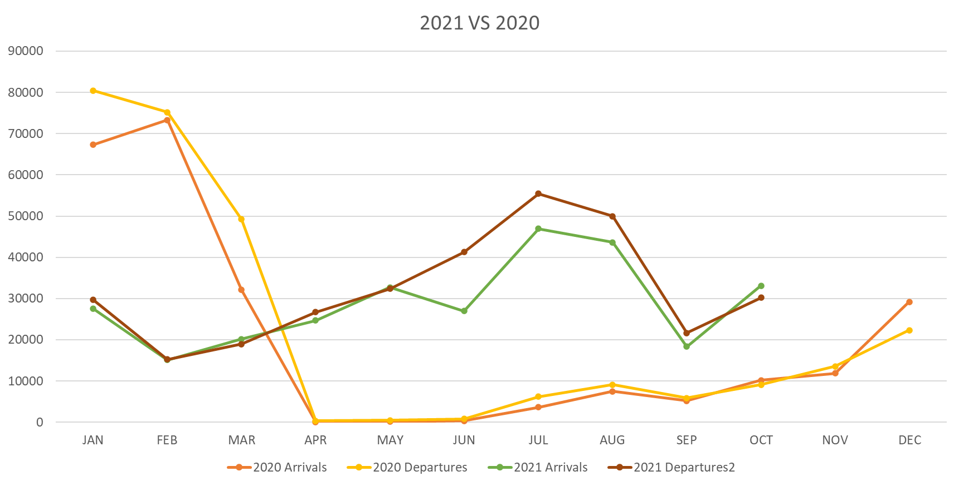
Montly Totals Passengers 2020 - 2021

 | 2020
 | PAX | January | February | March | April | May | June | July | August | September | October | November | December
 | Departure | 80,495 | 75,196 | 49,265 | 340 | 468 | 801 | 6,190 | 9,114 | 5,892 | 9,149 | 13,554 | 22,326
 | Arrivals | 67,323 | 73,291 | 32,105 | 77 | 119 | 362 | 3,636 | 7,482 | 5,232 | 10,196 | 11,862 | 29,205

 | 2021
 | PAX | January | February | March | April | May | June | July | August | September | October | November | December
 | Departure | 29,734 | 15,222 | 18,970 | 26,718 | 32,404 | 41,286 | 55,476 | 49,982 | 21,640 | 30,201 | 48,979
 | Arrivals | 27,565 | 15,144 | 20,156 | 24,728 | 32,733 | 27,015 | 46,971 | 43,629 | 18,363 | 33,092 | 49,707

 | REF 2021 vs 2020
 | PAX | January | February | March | April | May | June | July | August | September | October | November | December | Year to date
 | Departure | 37% | 20% | 39% | 7858% | 6924% | 5154% | 896% | 548% | 367% | 330% | 361% | 0% | 135.9%
 | Arrivals | 41% | 21% | 63% | 32114% | 27507% | 7463% | 1292% | 583% | 351% | 325% | 419% | 0% | 140.8%

** Information per STATS department

Executive Summary 2021 vs 2019
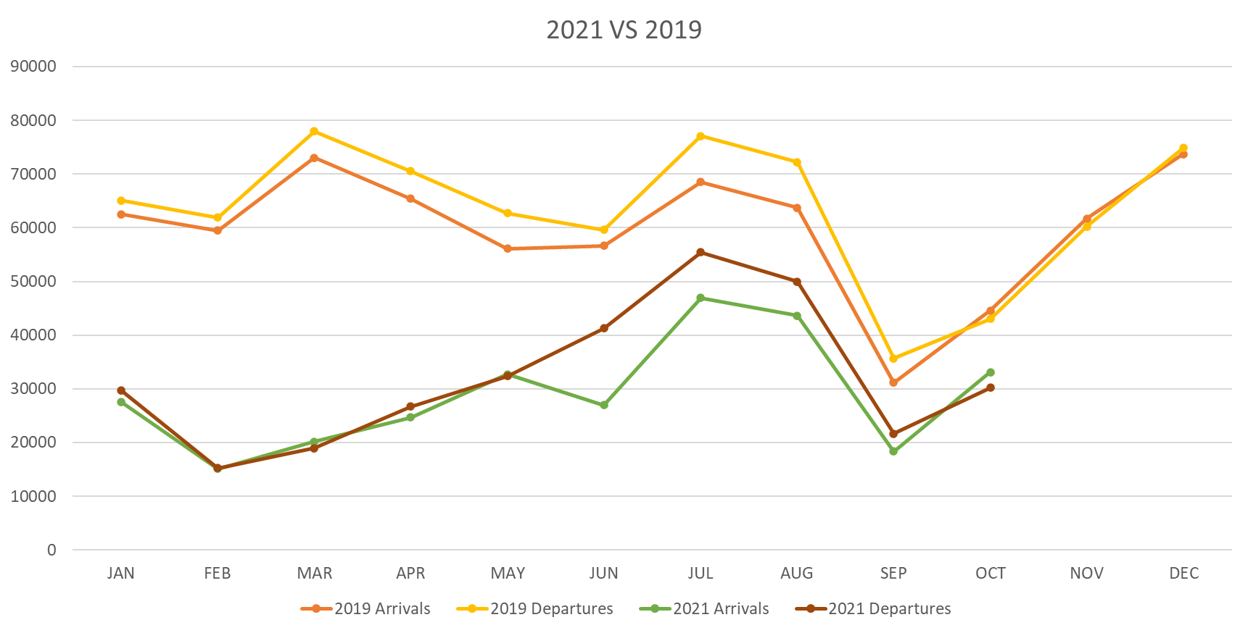
Monthly Totals Passengers 2021 vs 2019

 | 2019
 | PAX | January | February | March | April | May | June | July | August | September | October | November | December
 | Departure | 65,110 | 61,946 | 77,964 | 70,568 | 62,754 | 59,595 | 77,115 | 72,252 | 35,673 | 43,058 | 60,240 | 74,842
 | Arrivals | 62,542 | 59,465 | 73,057 | 65,391 | 56,090 | 56,690 | 68,499 | 63,715 | 31,159 | 44,566 | 61,701 | 73,694

 | 2021
 | PAX | January | February | March | April | May | June | July | August | September | October | November | December
 | Departure | 29,734 | 15,222 | 18,970 | 26,718 | 32,404 | 41,286 | 55,476 | 49,982 | 21,640 | 30,201 | 46,418
 | Arrivals | 27,565 | 15,144 | 20,156 | 24,728 | 32,733 | 27,015 | 46,971 | 43,629 | 18,363 | 33,092 | 48,037

 | REF 2021 vs 2019
 | PAX | January | February | March | April | May | June | July | August | September | October | November | December | Year to date
 | Departure | 46% | 25% | 24% | 38% | 52% | 69% | 72% | 69% | 61% | 70% | 77% | 0% | 48.4%
 | Arrivals | 44% | 25% | 28% | 38% | 58% | 48% | 69% | 68% | 59% | 74% | 78% | 0% | 47.1%

** Information per STATS department

